HEC Shared Para
플랜트건축설계팀 Shared Parameter List

File Name : HEC_Plant AR_Shared Parameter_RA.txt

 | Parameter Name | Discipline | Type of Parameter |  |  |  |  | Remark
 |  |  |  | Group Parameter Under | Category | Project Template (*.rte) | Building Project (*.rvt)
Parameter Group : HEC_Project Information
1 | H_Basic Wind Speed | Common | Text | Structural Analysis | Project Information
2 | H_DS Project Code | Common | Text | Identity Data | Project Information
3 | H_Project Abbreviation | Common | Text | Identity Data | Project Information
4 | H_Project Division | Common | Text | Identity Data | Project Information
5 | H_Project Finish | Common | Text | Identity Data | Project Information
6 | H_Project Location | Common | Text | Identity Data | Project Information
7 | H_Project Start | Common | Text | Identity Data | Project Information
8 | H_Project Type | Common | Text | Identity Data | Project Information
9 | H_Seismic Condition | Common | Text | Structural Analysis | Project Information
10 | H_Smart Code | Common | Text | Identity Data | Project Information
11 | H_Soil Condition | Common | Text | Structural Analysis | Project Information

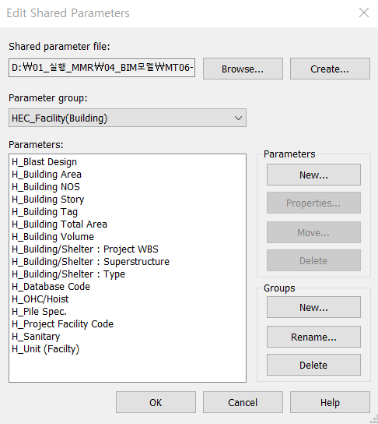
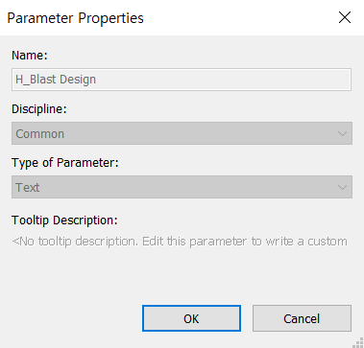
Parameter Group : HEC_Facility(Building)
1 | H_Blast Design | Common | Text | Structural Analysis | Project Information
2 | H_Building Area | Common | Area | Dimensions | Project Information
3 | H_Building NOS | Common | Text | Dimensions | Project Information
4 | H_Building Story | Common | Text | Dimensions | Project Information
5 | H_Building Tag | Common | Text | Identity Data | Project Information
6 | H_Building Total Area | Common | Area | Dimensions | Project Information
7 | H_Building Volume | Common | Volume | Dimensions | Project Information
8 | H_Building/Shelter : Project WBS | Common | Text | General | Project Information
9 | H_Building/Shelter : Superstructure | Common | Text | General | Project Information
10 | H_Building/Shelter : Type | Common | Text | General | Project Information
11 | H_Database Code | Common | Text | General | Project Information
12 | H_OHC/Hoist | Common | Text | General | Project Information
13 | H_Pile Spec. | Common | Text | General | Project Information
14 | H_Project Facility Code | Common | Text | Identity Data | Project Information
15 | H_Sanitary | Common | Text | General | Project Information
16 | H_Unit (Facility) | Common | Text | General | Project Information

Parameter Group : HEC_Schedule
 | H-Activity ID | Common | Text | Construction | Project Information
 | H-Activity Name | Common | Text | Construction | Project Information
 | H-Actual Finish Date | Common | Text | Construction | Project Information
 | H-Actual Start Date | Common | Text | Construction | Project Information
 | H-Duration | Common | Text | Construction | Project Information
 | H-Plan Finish Date | Common | Text | Construction | Project Information
 | H-Plan Start Date | Common | Text | Construction | Project Information

Parameter Group : HEC_Specific Project
 | H_Module Link File Name | Common | Text
 | H_Module No. | Common | Text
 | H_Module Type | Common | Text

Parameter Group : HEC_Work Master
 | H_WM Code_1 | Common | Text | Materials and Finish | 전체 카테고리
 | H_WM Code_2 | Common | Text | Materials and Finish | 전체 카테고리
 | H_WM Code_3 | Common | Text | Materials and Finish | 전체 카테고리
 | H_WM Code_4 | Common | Text | Materials and Finish | 전체 카테고리
 | H_WM Code_5 | Common | Text | Materials and Finish | 전체 카테고리
 | H_WM Code_6 | Common | Text | Materials and Finish | 전체 카테고리
 | H_WM Code_7 | Common | Text | Materials and Finish | 전체 카테고리
 | H_WM Code_8 | Common | Text | Materials and Finish | 전체 카테고리
 | H_WM Code_9 | Common | Text | Materials and Finish | 전체 카테고리
 | H_WM Code_10 | Common | Text | Materials and Finish | 전체 카테고리

 | H_Q'ty Cal Type Tag | Common | Text | Materials and Finish | 전체 카테고리

